Instruction
Fiber Sub Instructions:
1. Go to your circuit schedule (master combine) to obtain your fiber termination qty's
2. Enter your fiber termination qty's in the "Summary Tab" cell D15
3. Find the composite wage rate through the crew analysis sheet. If you are unable to find this sheet, ask your lead what's the rate should be. (hint: it is not the same as labor rate expenses) a. Enter your composite wage rate in "Summary" tab cell D16.
4. Determine the Ratio between [$/term & test vs. Composite Wage Rate] in the Summary Tab - cell D18 (confirm the ratio with your lead)
5. Use the final numbers from the Summary Tab in "Column D" for your Fiber Sub QCS and enter in your Fiber sub $/term x QTY to obtain your Fiber Sub final price
NOTE! Only touch the summary tab for this comparable. All other job tabs are use for reference materials only and should not be mess with.

How to obtain your Fiber Termination QTY's:
1. From Circuit Schedule go to > Graph > Slide to the right for the termination graph
2. Select the cable for termination QTY. (See picture below for example)
3. Type of cable you would normally see from fiber termination > 6 Strand, 12 Strand, and 24 Strand. (LaCygne Tab shows a very good example for these cables)
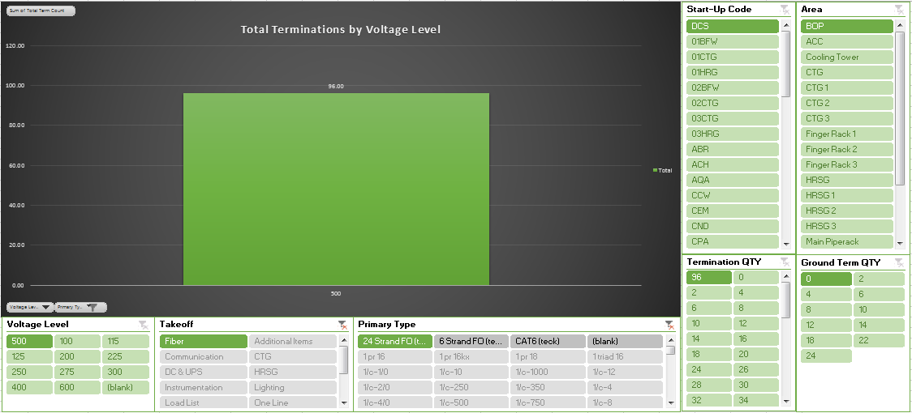
GOOD TO KNOW NOTE! For fiber cable testing QTY, just divide the [QTY/2]

TVA_PARADISE
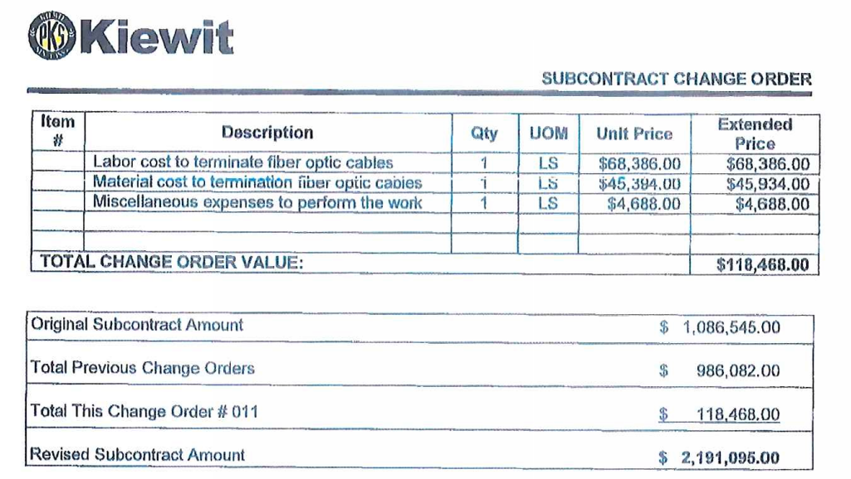
TVA Paradise
 | From Awarded Contract |  | From Ad-Hoc document & Ops Power source data base |  | Original Estimate (if available)
Subject | Price & QTY | Comments | Price & QTY | Comments | Price & QTY | Comments
Total Fiber T&T Sub | $118,468.00 | From Contract | $118,468.00 | From Buy out Log. (Beltline Change Order #11). Incl PM | $203,696.00 | From Estimated Sign QCS
Total Term Counts | 1788 | From Ops C-E QTY | 1788 | From Ops C-E QTY | 1756 | From Paradise QTY Comparison
Price per Term | $66.26 |  | $66.26 |  | $116.00
Composite Wage Rate | $46.25 | From Ad-Hoc | $46.25 | From Ad-Hoc | $43.80 | From HD print out (see below)
Ratio between $/term vs. Composite Wage Rate | 1.43 |  | 1.43 |  | 2.65
Total PM Cost
PM cost per Term |  |  |  |  | $40.00

Subject | Wage $ and MH | Comments | Wage $ and MH | Comments | Wage $ and MH | Comments
Total Dollars (up to date) U/G | $1,139,466.00 | From Ad-Hoc Direct section
Total Dollars (up to date) A/G | $5,070,327.00 | From Ad-Hoc Direct section
Total Man-Hours (up to date) U/G | 26728 | From Ad-Hoc Direct section
TotalMan-Hours (up to date) A/G | 107543 | From Ad-Hoc Direct section

Total Dollar (up to date) | $6,209,793.00 |  |  |  | $11,885,826.08 | Total roll up number from HD
Total Man-hours (up to date) | 134271 |  |  |  | 271367.21 | Total roll up number from HD
Composite Wage Rate | $46.25 |  |  |  | $43.80

Union

From Production Contract

WOODBRIDGE
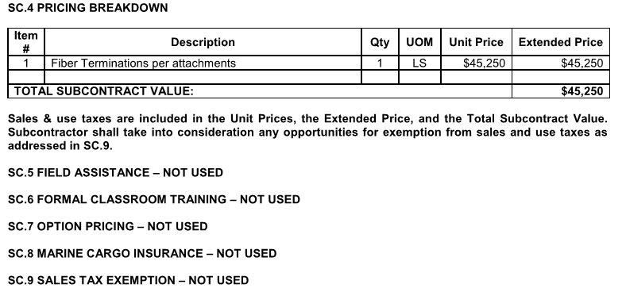
Wood Bridge
 | From Awarded Contract |  | From Ad-Hoc document & Ops Power source data base |  | Original Estimate (if available)
Subject | Price & QTY | Comments | Price & QTY | Comments | Price & QTY | Comments
Total Fiber T&T Sub | $45,250.00 | From Contract | $65,116.00 | From Buy Out Log | $76,500.00 | From Sub Contract Comparision Sheet
Total Term Counts (EA) | 702 | From Contract DWG's | 1317 | From Ops C-E QTY | 1440 | From Electrical QTY Comparision Sheet
Price per Term | $64.46 |  | $49.44 |  | $53.13
Composite Wage Rate | $94.16 | From Ad-Hoc | $94.16 | From Ad-Hoc | $95.66 | Crew Analysis Sheet list Wage@$87
Ratio between $/term vs. Composite Wage Rate | 0.68 |  | 0.53 |  | 0.56
Total PM Cost
PM cost per Term

Subject | Wage $ and MH | Comments | Wage $ and MH | Comments | Wage $ and MH | Comments
Total Dollars (up to date) U/G | $1,484,937.00 | From Ad-Hoc Direct section
Total Dollars (up to date) A/G | $15,233,769.00 | From Ad-Hoc Direct section
Total Man-Hours (up to date) U/G | 17219 | From Ad-Hoc Direct section
TotalMan-Hours (up to date) A/G | 160337 | From Ad-Hoc Direct section

Total Dollar (up to date) | $16,718,706.00 |  |  |  | $4,358,639.89 | Total roll up number from HD
Total Man-hours (up to date) | 177556 |  |  |  | 45564.4 | Total roll up number from HD
Composite Wage Rate | $94.16 |  |  |  | $95.66

Union

From Production Contract

GREC
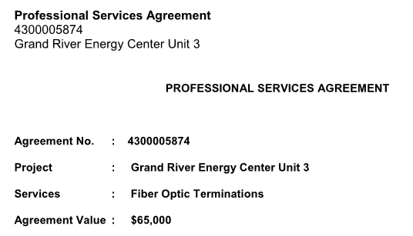
Grand River Energy Center
 | From Awarded Contract |  | From Ad-Hoc document & Ops Power source data base |  | Original Estimate (if available)
Subject | Price & QTY | Comments | Price & QTY | Comments | Price & QTY | Comments
Total Fiber T&T Sub | $65,000.00 | From Contract | $61,126.00 | Buy out log (Job to date) | $72,335.76 | From signed SUB QCS
Total Term Counts | 1032 | From Ops CE-QTY | 1032 | From Ops C-E QTY | 1176 | From signed SUB QCS
Price per Term | $62.98 |  | $59.23 |  | $61.51
Composite Wage Rate | $43.59 | From Ad-Hoc | $43.59 | From Ad-Hoc | $38.94 | From HD print out (see below)
Ratio between $/term vs. Composite Wage Rate | 1.45 |  | 1.36 |  | 1.58
Total PM Cost
PM cost per Term

Subject | Wage $ and MH | Comments | Wage $ and MH | Comments | Wage $ and MH | Comments
Total Dollars (up to date) U/G | $1,234,180.00 | From Ad-Hoc Direct section
Total Dollars (up to date) A/G | $1,633,087.00 | From Ad-Hoc Direct section
Total Man-Hours (up to date) U/G | 29287 | From Ad-Hoc Direct section
TotalMan-Hours (up to date) A/G | 36496 | From Ad-Hoc Direct section

Total Dollar (up to date) | $2,867,267.00 |  |  |  | $7,470,099.33 | Total roll up number from HD
Total Man-hours (up to date) | 65783 |  |  |  | 191847.02 | Total roll up number from HD
Composite Wage Rate | $43.59 |  |  |  | $38.94

Non-Union

From Production Contract

